Demo
Absolute References
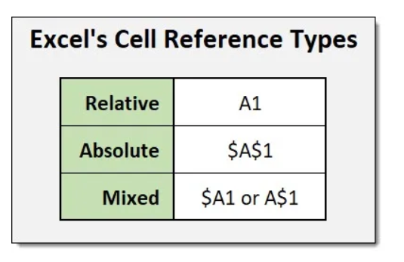
Absolute reference is when a reference has the dollar sign ($).

It locks a reference in the formula.

Add $ to the formula to use absolute references.

The dollar sign has three different states:

Absolute for column and row. The reference is absolutely locked.
Example =$A$1

Absolute for the column. The reference is locked to that column. The row remains relative.
Example =$A1

Absolute for the row. The reference is locked to that row. The column remains relative.
Example =A$1
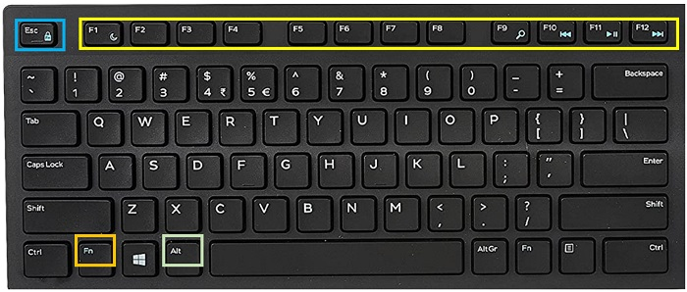
 |  | Press | Freeze
 | F4 or Fn F4 | 1 time | Cell Lock/Range Lock
 | F4 or Fn F4 | 2 times | Row Lock
 | F4 or Fn F4 | 3 times | Column Lock

Definitions
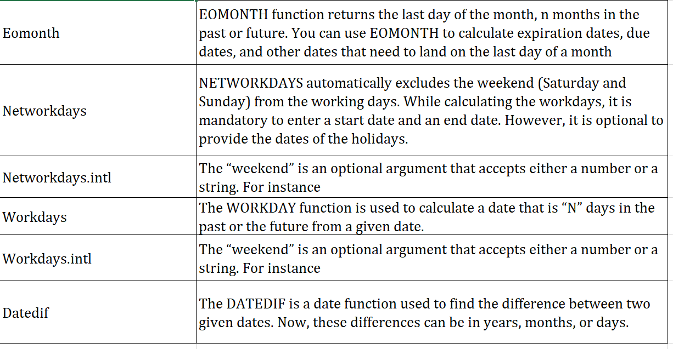

Eomonth
Date | Months | Result | Notes
30-Mar-19 | 1 | 30-Apr-19 | Last day 1 month later
30-Mar-19 | -1 | 28-Feb-19 | Last day 1 month earlier
15-Feb-19 | 3 | 31-May-19 | Last day 3 months later
15-Feb-19 | -6 | 31-Aug-18 | Last day 6 months earlier
15-Mar-19 | 18 | 30-Sep-20 | Last day 18 months later
5-Jul-18 | 24 | 31-Jul-20 | Last day 2 years later
12-Sep-18 | 60 | 30-Sep-23 | Last day 5 years later

Advance Date functions
 | Default Saturday & Sunday off (Holiday) |  |  |  |  |  |  |  | Mahesh Babu Birthdate
 | Networkdays |  |  |  |  |  |  |  | DOB | Current Date |  | Questions | Result | Output
Networkdays | Start Date | End Date | Networkdays | Networkdays with holiday | Jan Month |  |  |  | 09-Aug-1975 | 01-Apr-2025 |  | Difference in complete years | 49 | Y
Networkdays.intl | 01-Jan-2025 | 31-Jan-2025 | 23 | 21 | Holidays | Dates | Day Name |  |  |  |  | Difference in complete months | 595 | M
Workday | 01-Aug-2025 | 31-Aug-2025 | 23 | 20 | New Year | 1-Jan-25 | Wednesday |  |  |  |  | Difference in days | 18133 | D
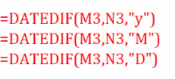
Workday.intl |  |  |  |  | Makar Sankranti | 14-Jan-25 | Tuesday
Datedif |  |  |  |  | Republic day | 26-Jan-25 | Sunday

 | Only Sunday off (Holiday) |  |  |  | Aug Month
 | Networkdays.intl |  |  |  | Holidays | Dates | Day Name
 | Start Date | End Date | Networkdays.intl | Networkdays.intl with holiday | Independence Day | 15-Aug-25 | Friday |  | Date of Joining | Current Date |  | Difference in Year | Difference in complete months | Difference in days
 | 01-Jan-2025 | 31-Jan-2025 | 27 | 25 |  |  |  |  | 08-Oct-2021 | 01-Apr-2025 |  | 3 | 5 | 24
 | 01-Aug-2025 | 31-Aug-2025 | 26 | 25 |  |  |  |  | 26-Aug-2022 | 01-Apr-2025 |  | 2 | 7 | 6
 |  |  |  |  |  |  |  |  | 26-Nov-2021 | 01-Apr-2025 |  | 3 | 4 | 6
 |  |  |  |  |  |  |  |  | 20-Dec-2022 | 01-Apr-2025 |  | 2 | 3 | 12

 | Default Saturday & Sunday off (Holiday) |  |  |  |  |  |  |  |  |  |  | dif in year | 23
 | Workday |  |  |  |  |  |  |  |  | 2001-04-25 | 2025-04-01 | df in months | 11
 | Order Date | No. of Days | Delivery Date | Delivery Date with holiday |  |  |  |  |  |  |  | df in days | 7
 | 01-Jan-2025 | 20 | 2025-01-29 | 2025-01-30
 | 01-Aug-2025 | 18 | 2025-08-27 | 2025-08-28
 |  |  |  |  |  |  |  |  |  |  |  |  | 23-years 11-months 7-days

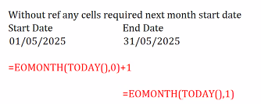
 | Only Sunday off (Holiday)
 | Workday.intl
 | Order Date | No. of Days | Delivery Date | Delivery Date with holiday
 | 01-Jan-2025 | 20 | 2025-01-24 | 2025-01-25
 | 01-Aug-2025 | 18 | 2025-08-27 | 2025-08-23

 |  |  |  |  |  |  |  | with out refering any cell |  | next month start date

 |  |  |  |  |  |  |  | st date | 2025-05-01 |  | end date | 2025-05-31

 |  |  |  |  |  |  | 2025-04-01
 |  |  |  |  |  |  | current month last date |  | 2025-04-30
 |  |  |  |  |  |  | pmld |  | 2025-03-31
 |  |  |  |  |  |  | nxtmld |  | 2025-05-31

